FhLAMP std curves
average | 5.00E+/- | 281 | 275 | 8 | 7 | 6 | 5 | 4 | 281 | 277 | 276
7.32 | 0 | 7.38 | 7.73 | 7.23 | 7.23 | 7.15 | 7.38 | 7.23 | 7.38 | 7.23 | 7.30
8.37 | -1 | 8.45 | 8.45 | 8.30 | 8.15 | 8.15 | 8.38 | 8.80 | 8.45 | 8.23 | 8.38
9.46 | -2 | 9.73 | 10.15 | 9.45 | 9.30 | 9.15 | 9.30 | 9.38 | 9.73 | 9.15 | 9.30
11.05 | -3 | 11.15 | 11.73 | 11.15 | 10.38 | 10.30 | 11.00 | 11.30 | 11.15 | 11.23 | 11.08
13.78 | -4 | 13.73 | 14.30 | - | 14.73 | 13.15 | 13.88 | 13.15 | 13.73 | 13.30 | 14.08
19.49 | -5 | 22.23 | - | - | - | 16.30 | - | 19.15 | - | 20.30 | -
 |  |  |  |  |  |  |  |  |  | Copies/µL | Log | Average Cq | Cq stdev | %CV
 |  |  |  |  |  |  |  |  |  | 0.00005 | -4.30 | 19.49 | 2.48 | 12.71
 | Cq stdev # |  |  |  |  |  |  |  |  | 0.0005 | -3.30 | 13.78 | 0.53 | 3.88
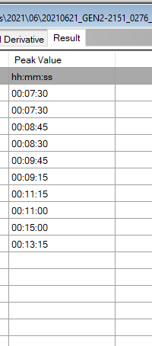
 | -3 | 9 |  | 8.225 |  |  |  |  |  | 0.005 | -2.30 | 11.05 | 0.42 | 3.82
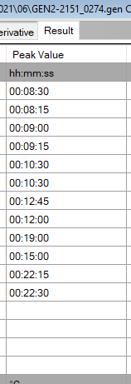
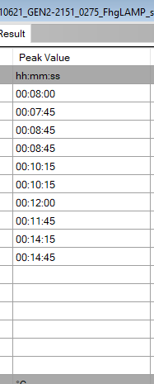
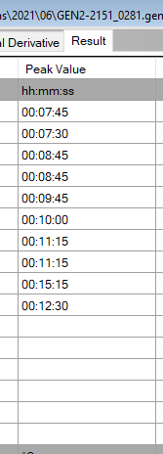
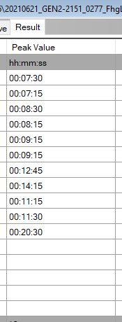
 | -4 | 9 |  | 9.075 |  |  |  |  |  | 0.05 | -1.30 | 9.46 | 0.31 | 3.33
 | -5 | 9 |  | 10.3 |  |  |  |  |  | 0.5 | -0.30 | 8.37 | 0.19 | 2.28
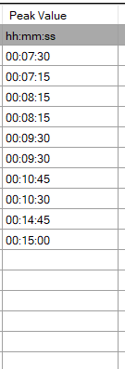
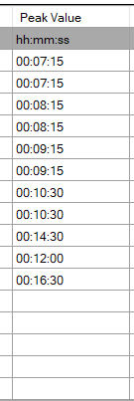
 | -6 | 9 |  | 12.225 |  |  |  |  |  | 5 | 0.70 | 7.32 | 0.16 | 2.22
 | -7 | 9 |  | 17
 | -8 | 9 |  | 22.225

 |  |  |  |  |  |  |  |  |  |  |  |  |  |  | Copied from runs above
 |  |  |  |  |  |  |  |  |  |  |  |  |  |  | 8.3 | 8 | 7.3 | 7.3 | 7.15 | 7.45 | 7.3 | 7.45 | 7.3 | 7.3 | 7.405 | 0
 |  |  |  |  |  |  |  |  |  |  |  |  |  |  | 8.15 | 7.45 | 7.15 | 7.15 | 7.15 | 7.3 | 7.15 | 7.3 | 7.15 | 7.3
 |  |  |  |  |  |  |  |  |  |  |  |  |  |  | 9 | 8.45 | 8.3 | 8.15 | 8.15 | 8.45 | 9.15 | 8.45 | 8.3 | 8.45 | 8.435 | 1
 |  |  |  |  |  |  |  |  |  |  |  |  |  |  | 9.15 | 8.45 | 8.3 | 8.15 | 8.15 | 8.3 | 8.45 | 8.45 | 8.15 | 8.3
 |  |  |  |  |  |  |  |  |  |  |  |  |  |  | 10.3 | 10.15 | 9.45 | 9.3 | 9.15 | 9.3 | 9.45 | 9.45 | 9.15 | 9.45 | 9.52 | 2
 |  |  |  |  |  |  |  |  |  |  |  |  |  |  | 10.3 | 10.15 | 9.45 | 9.3 | 9.15 | 9.3 | 9.3 | 10 | 9.15 | 9.15
 |  |  |  |  |  |  |  |  |  |  |  |  |  |  | 12.45 | 12 | 11.15 | 10.45 | 10.3 | 11 | 11.15 | 11.15 | 11.15 | 11.15 | 11.1525 | 3
 |  |  |  |  |  |  |  |  |  |  |  |  |  |  | 12 | 11.45 | 11.15 | 10.3 | 10.3 | 11 | 11.45 | 11.15 | 11.3 | 11
 |  |  |  |  |  |  |  |  |  |  |  |  |  |  | 19 | 14.15 |  | 14.45 | 14.3 | 12.45 | 12.3 | 15.15 | 12.45 | 15 | 14.144444444 | 4
 |  |  |  |  |  |  |  |  |  |  |  |  |  |  | 15 | 14.45 |  | 15 | 12 | 15.3 | 14 | 12.3 | 14.15 | 13.15
 |  |  |  |  |  |  |  |  |  |  |  |  |  |  | 22.15 |  |  |  | 16.3 |  |  |  | 20.3 |  | 20.04 | 5
 |  |  |  |  |  |  |  |  |  |  |  |  |  |  | 22.3 |  |  |  |  |  | 19.15

SpikedDilutionAssessment
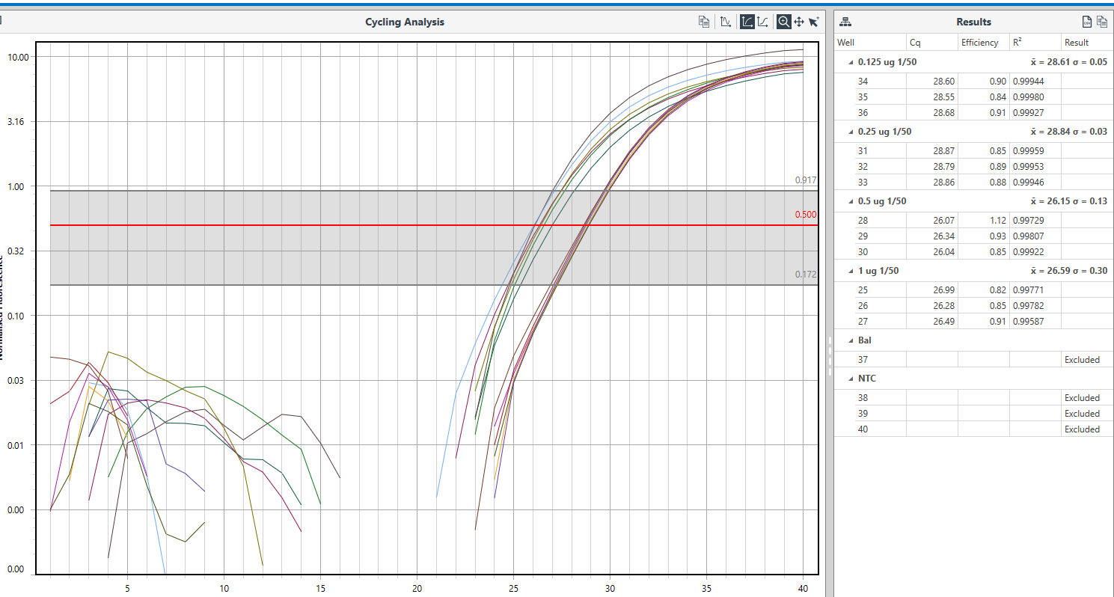
FhgLAMP | Genie runs |  | 285 | 286 |  |  |  |  |  |  | qPCR raw data - no calculation needed, auto-completed by Mic software
DNA concentration - ng/µL | 1 | 0.5 | 0.25 | 0.125
Dilution
neat | - | - | - |  |  |  | Tp values | SD 1/50 dilution
1/10 | - | 17.34 | - | 17 n = 1 |  | 1 ug | 11.07 | 0.34
1/20 | 14.25 | 11.33 | 16.50 | 15.58 |  |  | 10.59
1/50 | 10.83 | 10.22 | 13.58 | 11.47 |  | 0.5 ug | 10.18 | 0.05
1/100 | 10.27 | 10.18 | 13.45 n = 1 | 14.08 |  |  | 10.25
1/200 | 10.79 | 11.30 | 13.58 | 14.08 |  | 0.25 ug | 13.00 | 0.81
1/500 | 11.16 | 12.65 | 19.00 | 16.30 |  |  | 14.15
1/1000 | 12.22 | 12.45 | 15.95 | 14.80 |  | 0.125 ug | 11.40 | 0.09
+ve 5 ng/µL | 7.48 | 7.43 | 8.08 | 8.08 |  |  | 11.53
 | 7.43 | 7.20 | 8.15 | 8.15
 | 7.80 | 8.15 |  | 8.08
Exclude poop |  |  |  | 7.71
chelex | 500
PVP | 50
DNA 100 ng/µL vol delivered | 10
 | 5
 | 2.5
 | 1.25

 | DNA spiked (ug)
C2 = C1xV1/V2 | 1 | 0.5 | 0.25 | 0.125
V2 = Chelex + PVP | C2 DNA in ng/µL
V1 = DNA | 1.82 | 0.91 | 0.05 | 0.02
See above | stdev
 | 1 ug |  |  | 0.5 |  |  | 0.25 |  | 0.125
 | 14.3 | 0.07 |  | 17.57 | 0.33 |  | 17 | 0.71 | 16 | 0.60
 | 14.2 |  |  | 17.11 |  |  | 16 |  | 15.15
 | 11.07 | 0.34 |  | 11.23 | 0.14 |  | 13 | 0.81 | 11.4 | 0.09
 | 10.59 |  |  | 11.43 |  |  | 14.15 |  | 11.53
 | 10.4 | 0.18 |  | 10.18 | 0.05 |  | - | #DIV/0! | 15.15 | 1.52
 | 10.14 |  |  | 10.25 |  |  |  |  | 13
 | 11.06 | 0.39 |  | 10.19 | 0.01 |  | 13 | 0.81 | 13 | 1.52
 | 10.51 |  |  | 10.17 |  |  | 14.15 |  | 15.15
 | 11.2 | 0.06 |  | 11.45 | 0.21 |  | 17 | 2.83 | 18.15 | 2.62
 | 11.11 |  |  | 11.15 |  |  | 21 |  | 14.45
 | 12.29 | 0.10 |  | 13 | 0.49 |  | 18.46 | 3.55 | 14.45 | 0.49
 | 12.15 |  |  | 12.3 |  |  | 13.44 |  | 15.15
 |  |  |  | - | #DIV/0!

SpikedFaecesgDNA
Dilution factor assessed | Avg Tp | Tp stdev | Avg Tp | Tp stdev | Avg Tp 0.25 µg | Tp stdev | Avg Tp 0.125 µg | Tp stdev
 | 1 µg |  | 0.5 µg
Neat | ND | - | ND | - | ND | - | ND | -
1/10 | ND | - | 17.34 | 0.33 | ND | - | 17.00 | -
1/20 | 14.25 | 0.07 | 11.33 | 0.14 | 16.50 | 0.71 | 15.75 | 0.60
1/50 | 10.83 | 0.34 | 10.21 | 0.05 | 13.57 | 0.81 | 11.46 | 0.09
1/100 | 10.27 | 0.18 | 10.18 | 0.01 | 13.45 | - | 14.07 | 1.52
1/200 | 10.78 | 0.39 | 11.30 | 0.21 | 13.57 | 0.81 | 14.07 | 1.52
1/500 | 11.15 | 0.06 | 12.65 | 0.49 | 19.00 | 2.83 | 16.30 | 2.62
1/1000 | 12.22 | 0.10 | 12.45 | - | 15.95 | 3.55 | 14.80 | 0.49

FormattedSpikedFaecesgDNA
 | 1 µg | 0.5 µg | 0.25 µg | 0.125 µg
Neat | 0.00 | 0.00 | 0.00 | 0.00
1/10 | 0.00 | 17.34 | 0.00 | 17.00
1/20 | 14.25 | 11.33 | 16.50 | 15.75
1/50 | 10.83 | 10.21 | 13.57 | 11.46
1/100 | 10.27 | 10.18 | 13.45 | 14.07
1/200 | 10.78 | 11.30 | 13.57 | 14.07
1/500 | 11.15 | 12.65 | 19.00 | 16.30
1/1000 | 12.22 | 12.45 | 15.95 | 14.80

†

†
†

 | 1 µg | 0.5 µg | 0.25 µg | 0.125 µg
1/20 | 14.25 | 11.33 | 16.50 | 15.75
 | 1 µg | 0.5 µg | 0.25 µg | 0.125 µg
1/50 | 10.83 | 10.21 | 13.57 | 11.46
 | 1 µg | 0.5 µg | 0.25 µg | 0.125 µg
1/100 | 10.27 | 10.18 | 13.45 | 14.07
 | 1 µg | 0.5 µg | 0.25 µg | 0.125 µg
1/200 | 10.78 | 11.30 | 13.57 | 14.07
†

SpikedFaecesEggs
 | Average Tp
 | Buffer
DNA quantity (ug) | Chelex | GP | TL | SET | EB | AL
1 | - | - | - | - | NT | -
1 | - | 17.30 | - | - | NT | -
5 | - | - | - | - | - | -
5 | - | - | - | - | - | -
10 | - | 14.30 | - | - | - | -
10 | - | 16.15 | - | 15 | - | -
20 | - | - | 13 | 15.15 | - | -
20 | 17.3 | 18.30 | 11.45 | 16 | - | -
50 | - | 15.00 | 14.3 | 13.3 | - | -
50 | - | - | 15.45 | 14.15 | -
+ | 10.15 | 10.00 | 10 | 11 | 9.45 | 10.3
+ | 10.3 | 10.00 | 10.15 | 10.45 | 10 | 10.3
Genie run file | 2414 0043 | 2414 0045 | 2414 0044 | 2151 0357 | 2414 0047 | 2414 0046

 | Chelex | GP | TL | SET | EB | AL

1 | #DIV/0! | 17.3 | #DIV/0! | #DIV/0! | #DIV/0! | #DIV/0!
5 | #DIV/0! | #DIV/0! | #DIV/0! | #DIV/0! | #DIV/0! | #DIV/0!
10 | #DIV/0! | 15.23 | #DIV/0! | 15.00 | #DIV/0! | #DIV/0!
20 | 17.30 | 18.30 | 12.23 | 15.58 | #DIV/0! | #DIV/0!
50 | #DIV/0! | 15.00 | 14.88 | 13.73 | #DIV/0! | #DIV/0!
stev
 | Chelex | GP | TL | SET | EB | AL

1 | #DIV/0! | #DIV/0! | #DIV/0! | #DIV/0! | #DIV/0! | #DIV/0!
5 | #DIV/0! | #DIV/0! | #DIV/0! | #DIV/0! | #DIV/0! | #DIV/0!
10 | #DIV/0! | 1.3081475452 | #DIV/0! | #DIV/0! | #DIV/0! | #DIV/0!
20 | #DIV/0! | #DIV/0! | 1.0960155108 | 0.60104076401 | #DIV/0! | #DIV/0!
50 | #DIV/0! | #DIV/0! | 0.81317279836 | 0.60104076401 | #DIV/0! | #DIV/0!

SpikedWater
DNA concentration |  |  |  |  |  | DNA concentration |  |  |  |  | DNA concentration
1 µg | 15.45 |  | Pos ctrl | 10 |  | 1 µg | 13 |  | Pos ctrl | 10.3 | 1 µg | 17.45 |  | Pos ctrl | 11
1 µg | 10.3 |  |  | 11.3 |  | 1 µg | 13.15 |  |  | 10.3 | 1 µg | 13.15 |  |  | 10.45
0.5 µg | 15.15 |  |  |  |  | 0.5 µg | 14.45 |  |  |  | 0.5 µg | 14
0.5 µg | 11.15 |  |  |  |  | 0.5 µg | 14.45 |  |  |  | 0.5 µg | 21.15
0.25 µg | 12.45 |  |  |  |  | 0.25 µg | 15.45 |  |  |  | 0.25 µg | 16
0.25 µg | 12 |  |  |  |  | 0.25 µg | 15 |  |  |  | 0.25 µg | 18
0.125 µg | 12.15 |  |  |  |  | 0.125 µg | 14.3 |  |  |  | 0.125 µg | 0
0.125 µg | 11.3 |  |  |  |  | 0.125 µg | 20.15 |  |  |  | 0.125 µg | 0

 | Avg | SD |  |  |  |  | Avg | SD |  |  |  | Avg | SD
1 µg | 12.88 | 3.64 |  |  |  | 1 µg | 13.08 | 0.11 |  |  | 1 µg | 15.30 | 3.04 | 19.87293568
0.5 µg | 13.15 | 2.83 |  |  |  | 0.5 µg | 14.45 | 0.00 |  |  | 0.5 µg | 17.58 | 5.06 | 28.767075309
0.25 µg | 12.23 | 0.32 |  |  |  | 0.25 µg | 15.23 | 0.32 |  |  | 0.25 µg | 17.00 | 1.41 | 8.3189033081
0.125 µg | 11.73 | 0.60 |  |  |  | 0.125 µg | 17.23 | 4.14 |  |  | 0.125 µg | 0.00 | 0.00 | #DIV/0!
+ve | 10.65 | 0.92 |  |  |  | +ve | 10.3 | 0.00 |  |  | +ve | 10.725 | 0.39

2414 0050 original run |  |  |  |  |  | 2151 0385 | rpt to get all in one run |  |  |  | 2151 0386 | 250 mL vol, same dna quant
2414 0051 repeat. Sample 11 12 0.25 ug rpt |  |  |  |  |  |  |  |  |  |  | C2 = | V1 | 10 | V2 | 250010
 |  |  |  |  |  |  |  |  |  |  |  | C1 | 100 | C2 | 0.0039998400064
DNA concentration
1 µg | 15.45 |  |  |  |  |  |  |  |  |  | DNA maths: |  |  |  | 250000
1 µg | 10.3 |  |  |  |  |  |  |  |  |  | C2=C1xV1/V2 |  |  |  | SQ | C2
1 µg | 13 |  |  |  |  |  |  |  |  |  | V2 = 50 mL ∴50000 μL |  |  |  | 1ug | 4.00E-03
1 µg | 13.15 |  |  |  |  |  |  |  |  |  | C1 = 100.4 ng/μL |  |  |  | 0.5 | 2.00E-03
0.5 µg | 15.15 |  |  |  |  |  |  |  |  |  | V1 = 1 μL |  |  |  | 0.25 | 1.00E-03
0.5 µg | 11.15 |  |  |  |  |  |  |  |  |  | 100.4*1/50000=0.002 ng/μL |  |  |  | 0.125 | 5.00E-04
0.5 µg | 14.45 |  |  | Avg | SD | CV
0.5 µg | 14.45 |  | 1 µg | 12.98 | 2.11 | 16.235356018
0.25 µg | 12.45 |  | 0.5 µg | 13.80 | 1.80 | 13.023333881 |  |  |  |  | **could only filter ~100 mL before filter clogged.
0.25 µg | 12 |  | 0.25 µg | 13.73 | 1.75 | 12.760859663
0.25 µg | 15.45 |  | 0.125 µg | 14.23 | 4.21 | 29.58191945
0.25 µg | 15 |  | +ve | 13.80 | 0.49
0.125 µg | 11.15
0.125 µg | 11.3
0.125 µg | 14.3 |  |  |  |  |  |  |  |  |  |  |  |  |  |  | 50 ml Sq | Same dna quant
0.125 µg | 20.15 |  |  |  |  |  |  |  |  |  |  |  |  |  |  | C2 = | V1 | 1.25 | V2 | 50001.25
Pos ctrl | 10 |  |  |  |  |  |  |  |  |  |  |  |  |  |  |  | C1 | 100 | C2 | 0.0024999375016
Pos ctrl | 11.13
Pos ctrl | 10.3 |  |  |  |  |  |  |  |  |  |  |  |  |  |  | DNA maths: |  |  |  | 50000
Pos ctrl | 10.3 |  |  |  |  |  |  |  |  |  |  |  |  |  |  | C2=C1xV1/V2 |  |  |  | SQ | C2
 |  |  |  |  |  |  |  |  |  |  |  |  |  |  |  | V2 = 50 mL ∴50000 μL |  |  |  | 1ug | 2.00E-02
 |  |  |  |  |  |  |  |  |  |  |  |  |  |  |  | C1 = 100.4 ng/μL |  |  |  | 0.5 | 1.00E-02
 |  |  |  |  |  |  |  |  |  |  |  |  |  |  |  | V1 = 1 μL |  |  |  | 0.25 | 5.00E-03
 |  |  |  |  |  |  |  |  |  |  |  |  |  |  |  | 100.4*1/50000=0.002 ng/μL |  |  |  | 0.125 | 2.50E-03

